Sheet1
 |  | Document No. | Issue No. | Issue Date |  | Review and Replace Date |  | Authorised By
 |  | GFF453MC | 3 | 05.09.2024 |  | 28.08.2025
 |  | Document Title | Gazebo Deli-CHAT PATTA BOMBAY POTATO-1250g
 |  | Packaging Changed |  |  | Page |  | 1 of 1 | Magda Shah
Document amendments reason for change |  |  |  |  | Previous Issue Date |  | 14.05.2025 | Uncontrolled copy unless signed original

CPOBO1-B1B | GAZEBO DELI - BOOTHS |  | Gazebo Deli-Chatt Patta Bombay Potato 1250g
STEP 1 |  |  |  |  | STEP 2
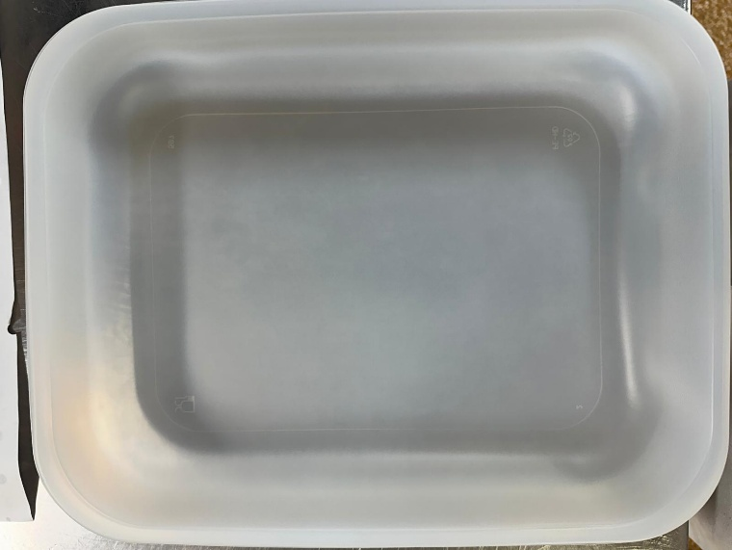 |  |  |  |  | 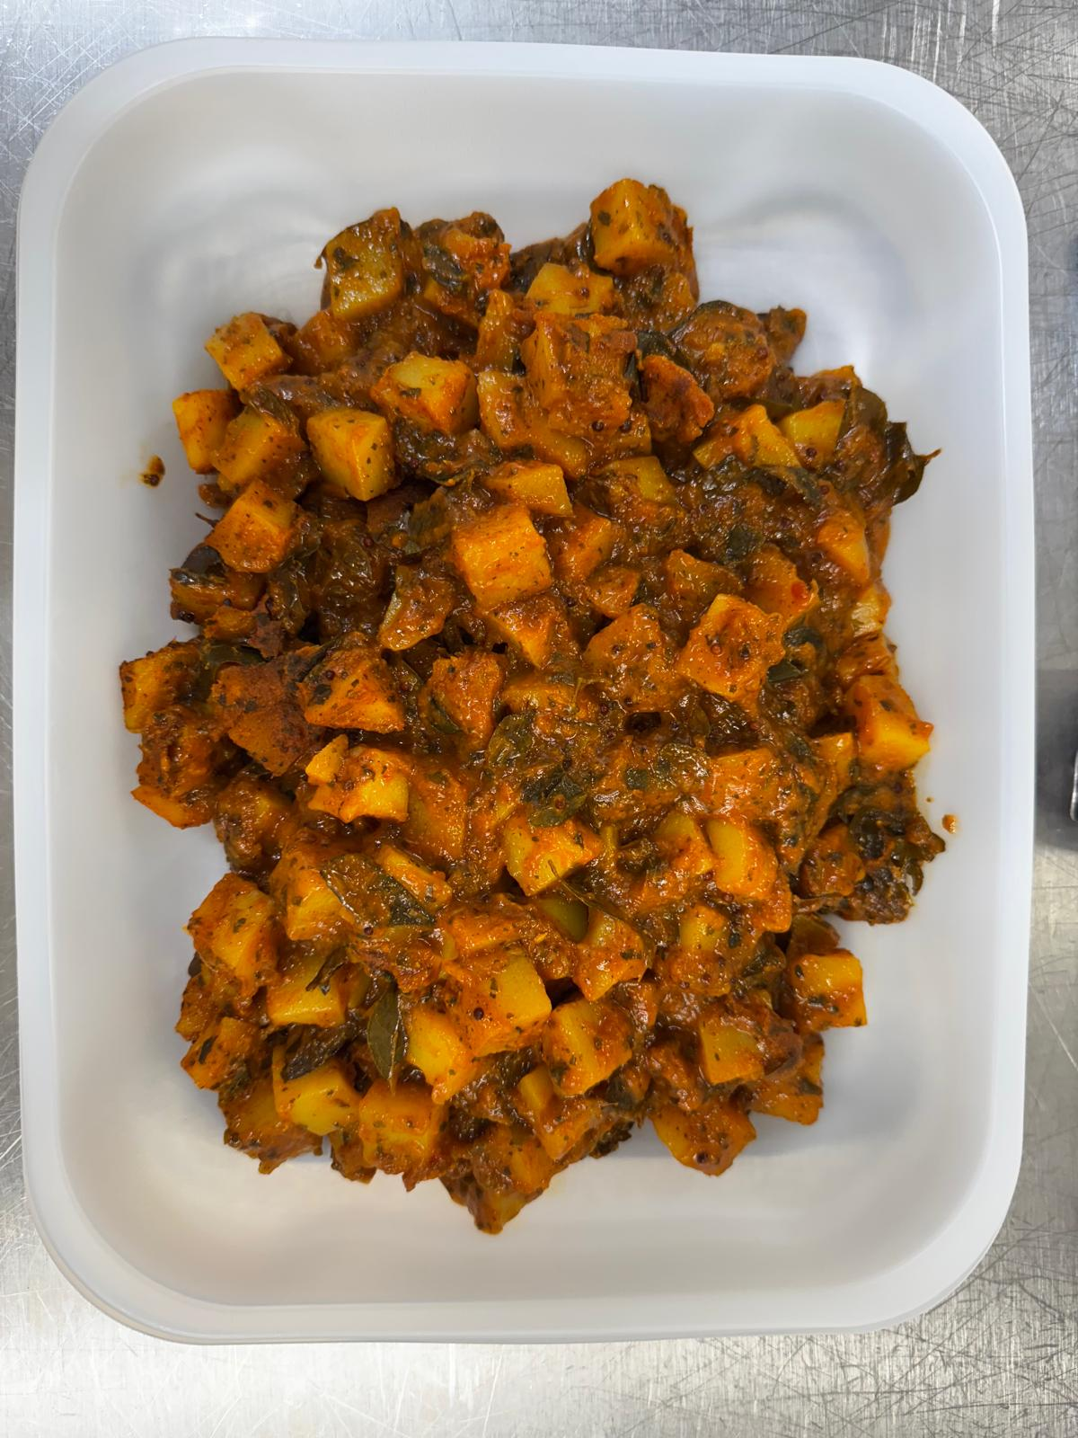

Tray: 597 natural (320x245x50mm) -PKPRO001-20 Film: S340AF 340mmX510mm AF&HB Weld- PKPRO001-17
Chatt Patta Bombay Potato (GFF487R) - 1250g |  |  |  |  |  |  |  |  | 1250g
ALLERGY ALERT: Barley, Mustard

